ERD (Questions)
Note: I took these questions from the textbook, Chapter 6.

1. What is normalization?
2. When is a table in 1NF?
3. When is a table in 2NF?
4. When is a table in 3NF?
5. When is a table in BCNF?

6. Given the dependency diagram shown in Figure Q6.6

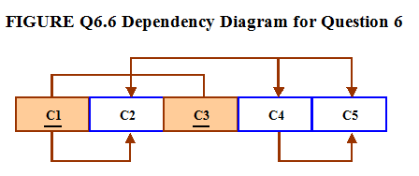

6a. Identify and discuss each of the indicated dependencies.
6b.Create a database whose tables are at least in 2NF, showing the dependency diagrams for each table.
6c.Create a database whose tables are at least in 3NF, showing the dependency diagrams for each table.

7. The dependency diagram in Figure Q6.7 indicates that authors are paid royalties for each book that they write for a publisher. the royalty can vary by author, by book, and by edition of the book.

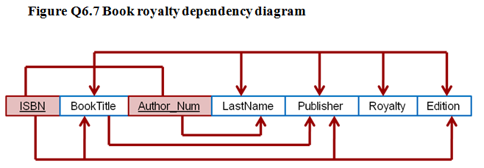

7a. Based on the dependency diagram, create a database whose tables are at least in 2NF, showing the dependency diagram for each table.

7b. Create a database whose tables are at least in 3NF, showing the dependency diagram for each table.

8. The dependency diagram in Figure Q6.8 indicates that a patient can receive many prescriptions for one or more medicines over time. Based on the dependency diagram, create a database whose tables are in at least 2NF, showing the dependency diagram for each table.

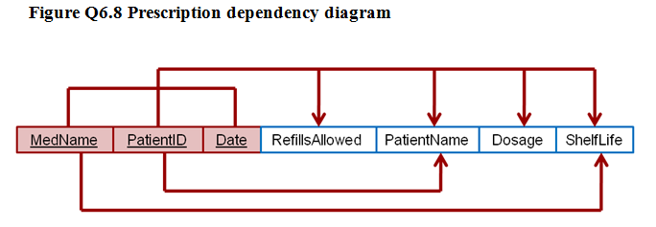

9. What is a partial dependency? With what normal form is it associated?

10. See Q10 ERD - Normalise the table into 3rd and Boyce-Codd Normal Form. You can show the tables in Excel like what we did in class for ERD and Normalisation.

